Table 1

Selected Acquisition Report (SAR)
RCS: DD-A&T(Q&A)823-498
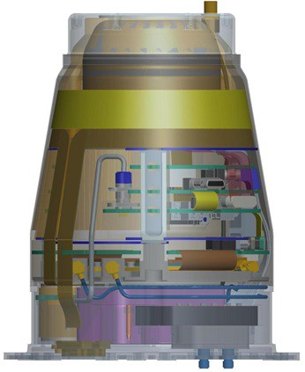
Air Force Intercontinental Ballistic Missile Fuze Modernization (ICBM Fuze Mod)
As of FY 2017 President's Budget
Defense Acquisition Management Information Retrieval
(DAMIR)

Table 10
Schedule
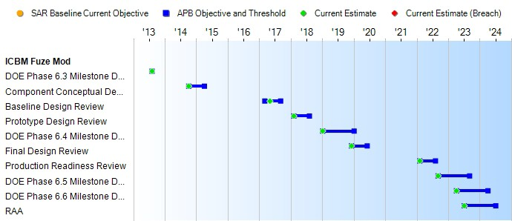
(Ch-1)
Schedule Events
Events | SAR Baseline Development Estimate | Current APB Development Objective/Threshold |  | Current Estimate
DOE Phase 6.3 Milestone Decision (Program Initiation) | Aug 2013 | Aug 2013 | Aug 2013 | Aug 2013
Component Conceptual Design Review | Oct 2014 | Oct 2014 | Apr 2015 | Oct 2014
Baseline Design Review | Mar 2017 | Mar 2017 | Sep 2017 | May 2017
Prototype Design Review | Feb 2018 | Feb 2018 | Aug 2018 | Feb 2018
DOE Phase 6.4 Milestone Decision (Production Engineering) | Jan 2019 | Jan 2019 | Jan 2020 | Jan 2019
Final Design Review | Dec 2019 | Dec 2019 | Jun 2020 | Dec 2019
Production Readiness Review | Feb 2022 | Feb 2022 | Aug 2022 | Feb 2022
DOE Phase 6.5 Milestone Decision (First Production) | Sep 2022 | Sep 2022 | Sep 2023 | Sep 2022
DOE Phase 6.6 Milestone Decision (Full Scale Production) | Apr 2023 | Apr 2023 | Apr 2024 | Apr 2023
RAA | Jul 2023 | Jul 2023 | Jul 2024 | Jul 2023

Table 24
Unit Cost History
Item |  |  |  |  | Date |  |  | BY 2014 $M |  |  |  |  | TY $M
 |  |  |  |  |  |  |  | PAUC |  | APUC |  |  | PAUC |  |  | APUC

Original APB |  |  | Sep 2014 |  |  |  |  | 2.324 |  |  | 0.957 |  |  | 2.658 |  |  | 1.197
APB as of January 2006 |  |  | N/A |  |  |  |  | N/A |  |  | N/A |  |  | N/A |  |  | N/A
Revised Original APB |  |  | N/A |  |  |  |  | N/A |  |  | N/A |  |  | N/A |  |  | N/A
Prior APB |  |  | N/A |  |  |  |  | N/A |  |  | N/A |  |  | N/A |  |  | N/A
Current APB |  |  | Sep 2014 |  |  |  |  | 2.324 |  |  | 0.957 |  |  | 2.658 |  |  | 1.197
Prior Annual SAR |  |  | Dec 2014 |  |  |  |  | 2.339 |  |  | 0.962 |  |  | 2.658 |  |  | 1.198
Current Estimate |  |  | Dec 2015 |  |  |  |  | 2.346 |  |  | 0.960 |  |  | 2.650 |  |  | 1.189
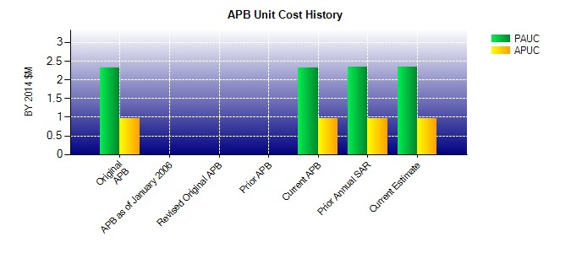
SAR Unit Cost History
Current SAR Baseline to Current Estimate (TY $M)
Initial PAUC Development Estimate | Changes |  |  |  |  |  |  |  |  |  |  |  |  |  | PAUC Current Estimate
 | Econ | Qty |  | Sch |  | Eng | Est |  | Oth | Spt |  | Total
2.658 -0.035 0.000 0.000 0.000 0.027 0.000 0.000 -0.008 2.650
Current SAR Baseline to Current Estimate (TY $M)
Initial APUC Development Estimate | Changes |  |  |  |  |  |  |  |  |  |  |  |  |  | APUC Current Estimate
 | Econ | Qty |  | Sch |  | Eng | Est |  | Oth | Spt |  | Total
1.197 -0.013 0.000 0.000 0.000 0.005 0.000 0.000 -0.008 1.189

